1. Title Page
Grocery Basket Analysis

Project Name: Grocery Basket Analysis
Date: 19/04/2024
Analyst Name: Alexandra Mina

Contents:
Population Flow
Consistency checks
Wrangling steps
Column derivations
Visualizations and Recommendations

Data Citation
“The Instacart Online Grocery Shopping Dataset 2017”, Accessed from www.instacart.com/datasets/grocery-shopping-2017 via Kaggle on 22/03/2024.
Customer data and "prices"column in the products data set, were both fabricated for the purpose of this analysis

2. Population Flow
Title page

Population flow

Exclusion flag
Condition: max_order < 5
Obervations to be removed: 1.440.295
Final total count of order_products_all: 30.964.564

Orders_products_combined
Orders_products_merged
Orders_products_all

Total: 32.404.859
Total: 32.344.489
Total: 30.964.564

1.) The grey boxes in the first row of the population flow represent the original data sets as they were when you downloaded them. In the Total fields you need to add the count of the rows when you imported the data set into Jupyter.
2.) The second row of boxes (coloured) represents the data sets after you manipulated them, e.g., removed missing values and duplicates. In the Total fields you need to add the count of the rows after conducting these operations. This offers a visual oveview of how the data flows throughout the data consistency checks.
3.) The third row, where also the arrows are coloured, represents the merges you performed between the datasets. In the Total fields you need to add the count of the rows in the merged datasets, so that you end up with the final dataset (in the red box). Keep in mind the final dataset should be without exclusions (based on the exclusion flag).

3. Consistency checks
 |  |  |  | Title page
Consistency checks

Dataset | Missing values | Missing values treatment | Duplicates
orders | 206.209 missing values in day_since_prior_order column | Created a flag to identify it | NA
products | 16 missing values in product_name column | Dropped | 5 rows
orders_products_prior | NA |  | NA
customers | 11.259 missing values in first_name column | It is not a key variable for the analysis, also this is PII. No action is required for first_name missing values | NA

Crosstabs results - missing values in days_since _prior_order column

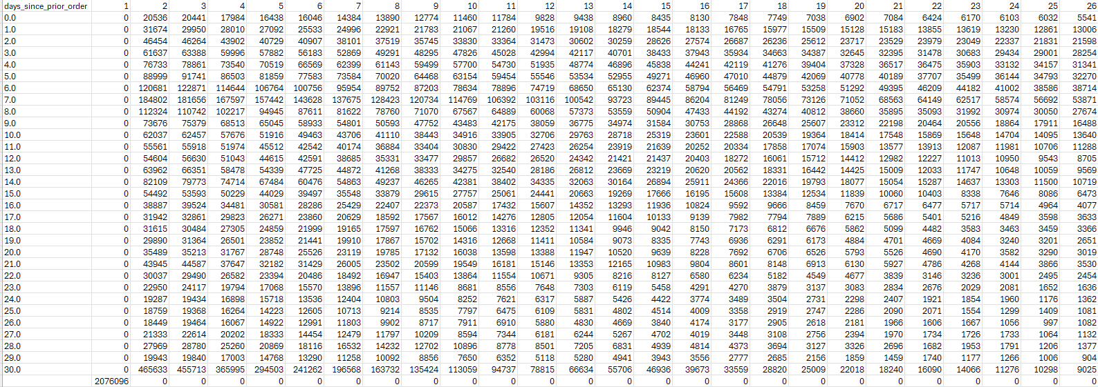

There are missing values in this column but conducted an analysis that revealed them to be fine in context, so this happens just in all first orders.

4. Wrangling steps
 |  |  |  |  | Title page
Wrangling steps

Dataset | Columns dropped | Columns renamed | Columns' type changed | Comment/Reason
orders | eval_set |  |  | Not needed for the analysis conducted
orders |  | order_dow |  | Changed column name to "order_day_of_week"
orders |  | days_since_prior_order |  | Changed column name to "days_since_last_order"
orders |  |  | order_id | Change data type to string (from int64)
orders |  |  | user_id | Change data type to string (from int64)
customers |  | First Name |  | Change column name to "first_name"
customers |  | Surnam |  | Change column name to "last_name"
customers |  | Gender |  | Change column name to "gender"
customers |  | Age |  | Change column name to "age"
customers |  | fam_status |  | Change column name to "marital_status"
customers |  |  | first_name | first_name has mixed types. Change data type to string (from object)
ords_prods_custs_merge | first_name |  |  | Due to PII this column was deleted
ords_prods_custs_merge | last_name |  |  | Due to PII this column was deleted

5. Column derivations
 |  |  |  | Title page

Column derivations and aggregations

In this tab you should add tables below that the frequences of flags/label variables that you produced after deriving them. NB: don't do this for continuous variables, only for flags.
Dataset | New column | Column/s it was derived from | Conditions
Orders_products_merged | price_range_loc | prices | df.loc[df['prices'] > 15, 'price_range_loc'] = 'High-range product' odf.loc[(df['prices'] <= 15) & (df['prices'] > 5), 'price_range_loc'] = 'Mid-range product' df.loc[df['prices'] <= 5, 'price_range_loc'] = 'Low-range product'
Orders_products_merged | busiest_day | orders_dow | for value in ords_prods_merge['orders_dow']: if value == 0: result.append('Busiest day') elif value == 4: result.append('Least busy') else: result.append('Regularly busy')
Orders_products_merged | busiest_days | orders_dow | for value in ords_prods_merge['orders_dow']: if value == 0 or value == 1: result_2.append('Busiest days') elif value == 3 or value == 4: result_2.append('Slowest days') else: result_2.append('Regularly busy')
Orders_products_merged | busiest_period_of_day | order_hour_of_day | for value in ords_prods_merge['order_hour_of_day']: if value in [10, 11, 14, 15, 13, 12, 16, 9, 17]: result_3.append('Most orders') elif value in [0,1,5,2,4,3]: result_3.append('Fewest orders') else: result_3.append('Average orders')
Orders_products_merged | max_order | user_id and order_number | ords_prods_merge['max_order'] = ords_prods_merge.groupby(['user_id'])['number_of_orders'].transform(np.max)
Orders_products_merged | loyalty_flag | max_order | ords_prods_merge.loc[ords_prods_merge['max_order'] > 40, 'loyalty_flag'] = 'Loyal customer' ords_prods_merge.loc[(ords_prods_merge['max_order'] <= 40) & (ords_prods_merge['max_order'] > 10), 'loyalty_flag'] = 'Regular customer' ords_prods_merge.loc[ords_prods_merge['max_order'] <= 10, 'loyalty_flag'] = 'New customer'
Orders_products_merged | avg_spender | prices and user_id | ords_prods_merge['avg_spender'] = ords_prods_merge.groupby(['user_id'])['prices'].transform(np.mean)
Orders_products_merged | spender_flag | avg_spender | ords_prods_merge.loc[ords_prods_merge['avg_spender'] < 10, 'spender_flag'] = 'Low_spender' ords_prods_merge.loc[ords_prods_merge['avg_spender'] >= 10, 'spender_flag'] = 'High_spender'
Orders_products_merged | median_days_since_prior_order | user_id and days_since_prior_order | ords_prods_merge['median_days_since_prior_order'] = ords_prods_merge.groupby(['user_id'])['days_since_prior_order'].transform(np.median)
Orders_products_merged | frequency_flag | median_days_since_prior_order | ords_prods_merge.loc[ords_prods_merge['median_days_since_prior_order'] > 20, 'frequency_flag'] = 'Non-frequent customer' ords_prods_merge.loc[(ords_prods_merge['median_days_since_prior_order'] > 10) & (ords_prods_merge['median_days_since_prior_order'] <= 20), 'frequency_flag'] = 'Regular customer' ords_prods_merge.loc[ords_prods_merge['median_days_since_prior_order'] <= 10, 'frequency_flag'] = 'Frequent customer'
ords_prods_custs_merge | region | state | ords_prods_custs_merge.loc[ords_prods_custs_merge['state'].isin(['Maine', 'New Hampshire', 'Vermont', 'Massachusetts', 'Rhode Island', 'Connecticut', 'New York', 'Pennsylvania','New Jersey']), 'region'] = 'Northeast' ords_prods_custs_merge.loc[ords_prods_custs_merge['state'].isin(['Wisconsin', 'Michigan', 'Illinois', 'Indiana' , 'Ohio', 'North Dakota', 'South Dakota', 'Nebraska', 'Kansas', 'Minnesota', 'Iowa', 'Missouri' ]), 'region'] = 'Midwest' ords_prods_custs_merge.loc[ords_prods_custs_merge['state'].isin(['Delaware', 'Maryland', 'District of Columbia', 'Virginia', 'West Virginia', 'North Carolina', 'South Carolina', 'Georgia', 'Florida', 'Kentucky', 'Tennessee', 'Mississippi', 'Alabama', 'Oklahoma', 'Texas', 'Arkansas','Louisiana']), 'region'] = 'South' ords_prods_custs_merge.loc[ords_prods_custs_merge['state'].isin(['Idaho', 'Montana', 'Wyoming', 'Nevada', 'Utah', 'Colorado', 'Arizona', 'New Mexico', 'Alaska', 'Washington', 'Oregon', 'California', 'Hawaii']), 'region'] = 'West'
ords_prods_custs_merge | activity | max_order | ords_prods_custs_merge.loc[ords_prods_custs_merge['max_order']>=5, 'activity'] = 'high-activity' ords_prods_custs_merge.loc[ords_prods_custs_merge['max_order']<5, 'activity'] = 'low-activity'
df (only activity=high activity) | age_group | age | df.loc[df['age'] <= 35, 'age_group'] = 'young' df.loc[(df['age'] > 35) & (df['age'] <= 65), 'age_group'] = 'middle-aged' df.loc[df['age'] > 65, 'age_group'] = 'senior'
df (only activity=high activity) | income_group | income | df.loc[df['income'] <= 67292, 'income_group'] = 'low-income' df.loc[(df['income'] > 67292) & (df['income'] <= 128102), 'income_group'] = 'average-income' df.loc[df['income'] > 128102, 'income_group'] = 'high-income'
df (only activity=high activity) | dependents_flag | n_dependants | df.loc[df['n_dependants'] < 1, 'dependents_flag'] = 'No' df.loc[df['n_dependants'] >= 1, 'dependents_flag'] = 'Yes'
df (only activity=high activity) | Profile | age_group, income_group and dependents_flag | #Young - No dependents: df.loc[(df['age_group']=='young') & (df['income_group']=='low-income') & (df['dependents_flag'] == 'No'), 'Profile'] = 'Young No Parents Low income' df.loc[(df['age_group']=='young') & (df['income_group']=='average-income') & (df['dependents_flag'] == 'No'), 'Profile'] = 'Young No Parents Average income' df.loc[(df['age_group']=='young') & (df['income_group']=='high-income') & (df['dependents_flag'] == 'No'), 'Profile'] = 'Young No Parents High income' # Young - with dependents df.loc[(df['age_group']=='young') & (df['income_group']=='low-income') & (df['dependents_flag'] == 'Yes'), 'Profile'] = 'Young Parents Low income' df.loc[(df['age_group']=='young') & (df['income_group']=='average-income') & (df['dependents_flag'] == 'Yes'), 'Profile'] = 'Young Parents Average income' df.loc[(df['age_group']=='young') & (df['income_group']=='high-income') & (df['dependents_flag'] == 'Yes'), 'Profile'] = 'Young Parents High income' #Middle Aged - No dependents: df.loc[(df['age_group']=='middle-aged') & (df['income_group']=='low-income') & (df['dependents_flag'] == 'No'), 'Profile'] = 'Middle-Aged No Parents Low income' df.loc[(df['age_group']=='middle-aged') & (df['income_group']=='average-income') & (df['dependents_flag'] == 'No'), 'Profile'] = 'Middle-Aged No Parents Average income' df.loc[(df['age_group']=='middle-aged') & (df['income_group']=='high-income') & (df['dependents_flag'] == 'No'), 'Profile'] = 'Middle-Aged No Parents High income' # Middle Aged - with dependents df.loc[(df['age_group']=='middle-aged') & (df['income_group']=='low-income') & (df['dependents_flag'] == 'Yes'), 'Profile'] = 'Middle-Aged Parents Low income' df.loc[(df['age_group']=='middle-aged') & (df['income_group']=='average-income') & (df['dependents_flag'] == 'Yes'), 'Profile'] = 'Middle-Aged Parents Average income' df.loc[(df['age_group']=='middle-aged') & (df['income_group']=='high-income') & (df['dependents_flag'] == 'Yes'), 'Profile'] = 'Middle-Aged

The following counts were taken after creating the new column:

price_range_loc
Mid-range product 756450
Low-range product 243550

busiest_day
Regularly busy 22416875
Busiest day 6204182
Least busy 3783802

busiest_days
Regularly busy 12916111
Busiest days 11864412
Slowest days 7624336

busiest_period_of_day
Most orders 23205725
Average orders 8602806
Fewest orders 596328

loyalty_flag
Regular customer 15876776
Loyal customer 10284093
New customer 6243990

spender_flag
Low_spender 31770614
High_spender 634245

median_days_since_prior_order
7.0 5682399
6.0 2983604
8.0 2713964
5.0 2486061
4.0 2314289
...
27.5 5599
26.5 5514
29.5 5095
1.5 1684
0.5 235

frequency_flag
Frequent customer 21559853
Regular customer 7208564
Non-frequent customer 3636437
nan 5

region
South 10791885
West 8292913
Midwest 7597325
Northeast 5722736

activity
high-activity 30964564
low-activity 1440295

age_group
middle-aged 14494925
senior 7730834
young 8738805

income_group
average-income 15482125
low-income 7741348
high-income 7741091

dependents_flag
Yes 23224883
No 7739681

Profile
Middle-Aged Parents Average income 5339364
Middle-Aged Parents High income 3486847
Young Parents Average income 3445231
Young Parents Low income 3038678
Senior Parents Average income 2832842
Senior Parents High income 2232647
Middle-Aged Parents Low income 2012444
Middle-Aged No Parents Average income 1778134
Middle-Aged No Parents High income 1196114
Young No Parents Average income 1141177
Young No Parents Low income 1012069
Senior No Parents Average income 945377
Senior Parents Low income 759624
Senior No Parents High income 723833
Middle-Aged No Parents Low income 682022
Senior No Parents Low income 236511
Young Parents High income 77206
Young No Parents High income 24444

6. Visualizations and Recommend
 |  |  |  |  |  |  | Title page

Visualizations

In this tab you should include all the visualtions from Exercises 4.9 and 4.10, alongside the questions from the project brief that they answer. Include any commentary on the relationship between different variables.

The sales team needs to know what the busiest days of the week and hours of the day are (i.e., the days and times with the most orders) in order to schedule ads at times when there are fewer orders

Orders by day of the week |  |  | Orders by hour of the day
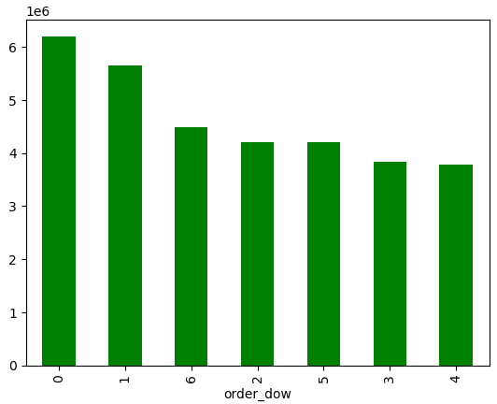
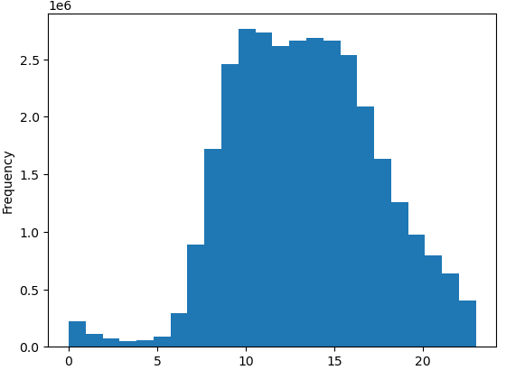

0 - Saturday |  |  |  | Instacart users prefer late morning and early afternoon to order.
1 - Sunday |  |  |  | The busiest hours of the day are between 11 and 17.
2 - Monday
3 - Tuesday
4 - Wednesday
5 - Thursday
6 - Friday

The busiest days of the week are Saturday and Sunday.
Friday has na increase of orders compares to the rest of the week.
In the others weeks day the volume of the orders are lower.

Recomendations:
The sales team should implement ads on week days to increase the number of orders on that days.
In terms of hours, although there are few orders during night period, it is preferible to avoid that period to increase ads, since most of the people are sleeping.
End of day, period between 17 and 24 will be the better time to implement ads to increase the number of orders.

The sales team also want to know whether there are particular times of the day when people spend the most money, as this might inform the type of the products they advertise at these times

Expenditure by day of the week |  |  | Expenditure by hour of the day
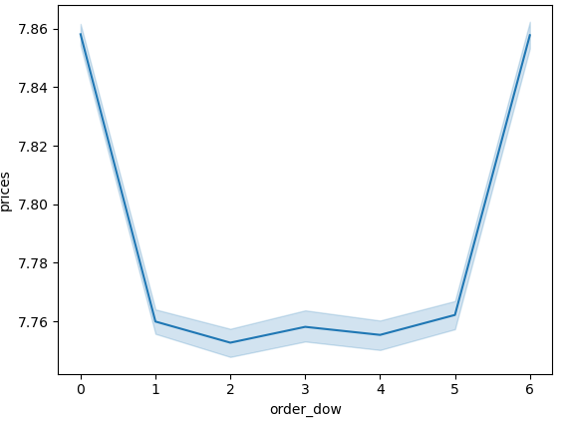
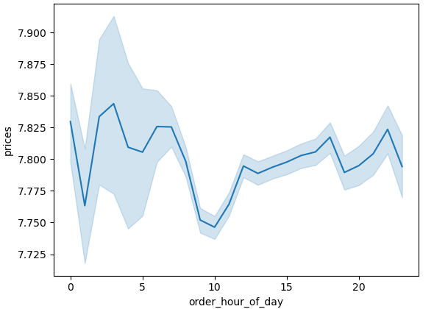

Saturday and Friday are the days where Instacart users spend more money in orders.
In terms of hours of day with bigger volumes are during the night (however lower orders). After 11 the money spend are pretty consistent, exception for the period
17 to 19 where we can identify a drop (probably related to commute time and end of working hours).
Early morning hours (between 6 and 11) have lower expenditure.

Recomendations:
The sales team should implement ads on early mornings in order to increase the expenditure.
Since, in the evening there are a significant drop in the number of orders but the volumes are pretty consistent and quite high, could be a important period to increase
the number of orders and consequently increase the expenditure.

Instacart has a lot of products with different price tags. Marketing and sales want to use simpler price range groupings to help direct their efforts.

Price range distribution

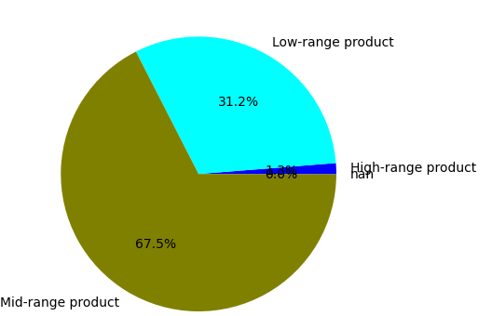

The range price is between 1 and 99999, however above 100 dolares is identified has nan.
After this identification, the range price is between 1 and 25 dolares.

67,5% of the prices are between 5 and 15 dolares, mid-range product price.
These 3 levels price range group split product prices in:
- low-range: prices under $5
- mid-range: prices between $5 and $15
- high-range: prices over $15

Are there certain types of products that are more popular than others? The marketing and sales teams want to know which departments have the highest frequency of product orders.

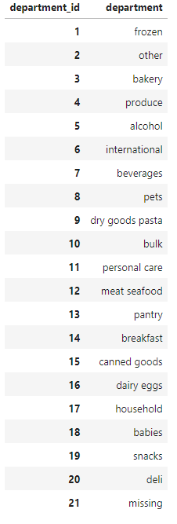
 |  | Orders by department
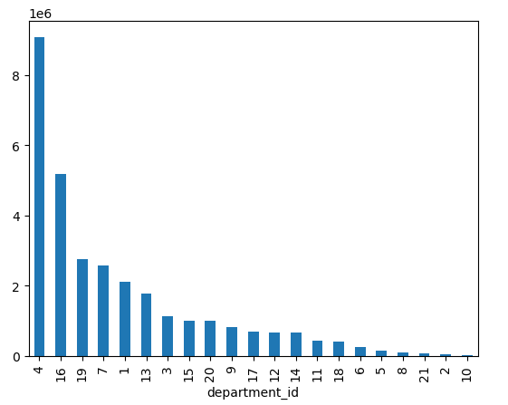

 | The top 5 departments in terms of orders are:
 | 4 - produce
 | 16 - dairy eggs
 | 19 - snacks
 | 7 - Beverages
 | 1 - Frozen

 | Recomendations:
 | Discount this kind of products or offer bigger packages/quantities for the some price

What’s the distribution among users in regards to their brand loyalty (i.e., how often do they return to Instacart)?

Loyalty distribution

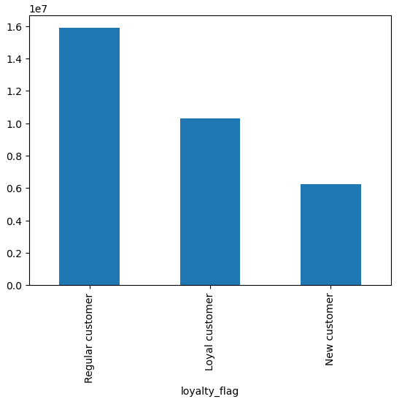
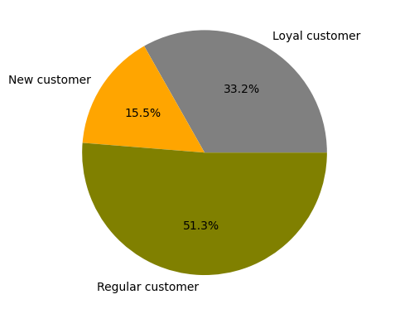

More than 50% of the customer order regularly in Instacart.
One third of the customers are identified as loyal.

Recomendations:
The sales team and marketing team should implement some loyalty scheme to increase the number of orders (and the volume) for each customer.
The idea is to have more customers as Loyal Customers, doing orders in a regularly basis, with more frequency.
The new customer can receive some additional discount in their next order that should happen in less than 10 days.

Are there differences in ordering habits based on a customer’s region?

Loyalty flag by region

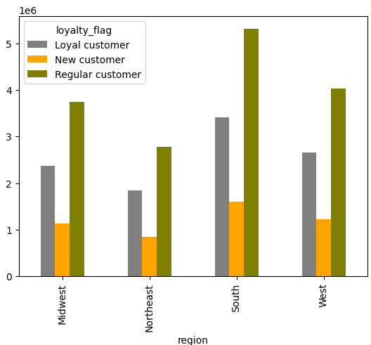

South is the region with more orders, more regular customers and also more new customers.
In the opposite there is Northeast region.

Recomendations:
When sales team and marketing team create a loyalty scheme, should differenciate by region.
South looks that has more potential to have more loyal customers.

Is there a connection between age and family status in terms of ordering habits?
What different classifications does the demographic information suggest? Age? Income? Certain types of goods? Family status?
What differences can you find in ordering habits of different customer profiles? Consider the price of orders, the frequency of orders, the products customers are ordering, and anything else you can think of.

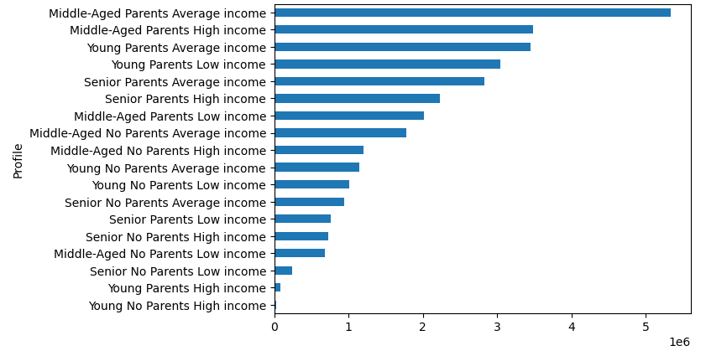
Orders by Profile |  |  |  |  |  | Profiling:
 |  |  |  |  |  | Young No Parents Low income |  | Young: | 18 to 35 years old
 |  |  |  |  |  | Young No Parents Average income |  | Middle-Aged: | 36 to 65 years old
 |  |  |  |  |  | Young No Parents High income |  | Senior: | over 65 years old

 |  |  |  |  |  | Young Parents Low income |  | Low income: | < 67.292
 |  |  |  |  |  | Young Parents Average income |  | Average income: | 67.292 to 128.102
 |  |  |  |  |  | Young Parents High income |  | High income: | > 128.102

 |  |  |  |  |  | Middle-Aged No Parents Low income |  | No Parents: | without dependents
 |  |  |  |  |  | Middle-Aged No Parents Average income |  | Parents: | with dependents
 |  |  |  |  |  | Middle-Aged No Parents High income

 |  |  |  |  |  | Middle-Aged Parents Low income
 |  |  |  |  |  | Middle-Aged Parents Average income
 |  |  |  |  |  | Middle-Aged Parents High income

 |  |  |  |  |  | Senior No Parents Low income
 |  |  |  |  |  | Senior No Parents Average income
 |  |  |  |  |  | Senior No Parents High income
Customer Profile by Region
 |  |  |  |  |  | Senior Parents Low income
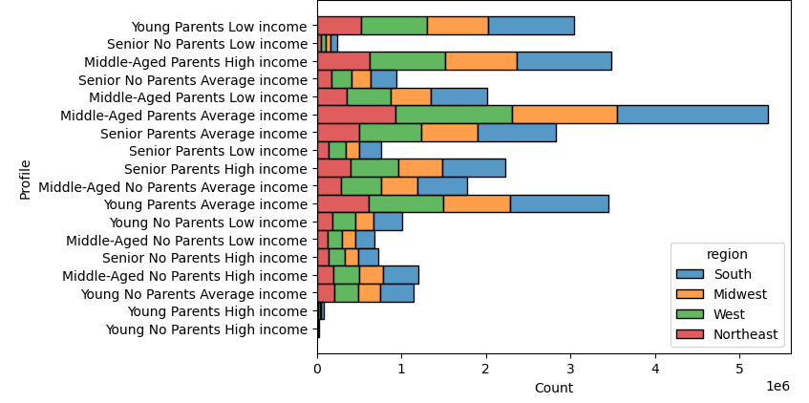
 |  |  |  |  |  | Senior Parents Average income
 |  |  |  |  |  | Senior Parents High income

Heat map - Customer Profile and Department_id |  |  |  |  | Marital Status Distribution

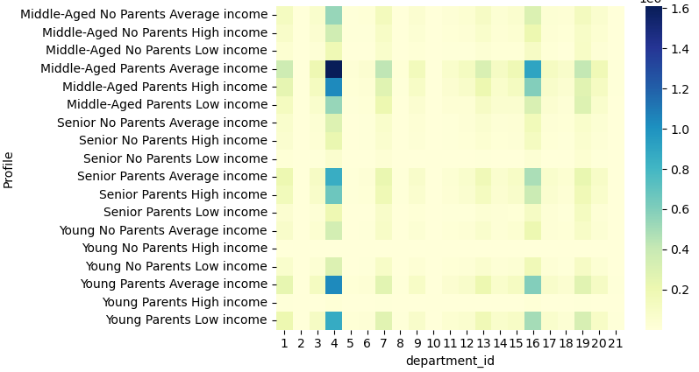
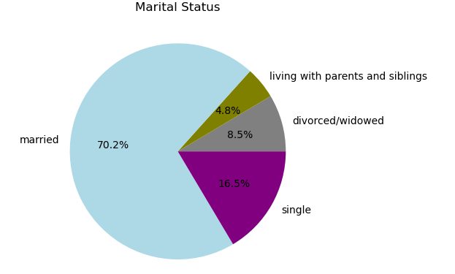

 |  |  |  |  |  | Dependents Distribution
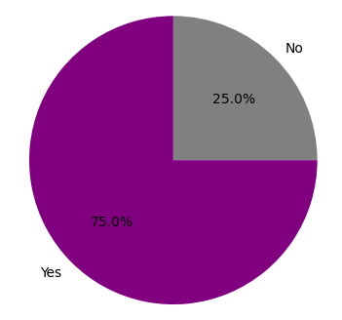

Behaviour is similar accross regions with higher expenditure in south region and lower in northeast
The preferred departments are : 4 = Produce; 7= Beverages; 16 = Dairy & Eggs; 19 = Snacks
The majority of the customers are married (70,2%)
And 75% of the customers have dependents (at least one).

Recomendations:
The preferred departments identified, in particular 4 and 16 have the highest sales in the profiles with dependents.
Could be a good option to create packs or discounts for customers how buy products from the top 4 departments.
Also this can help in promote the customers to loyal customers.

